2021_WHACI
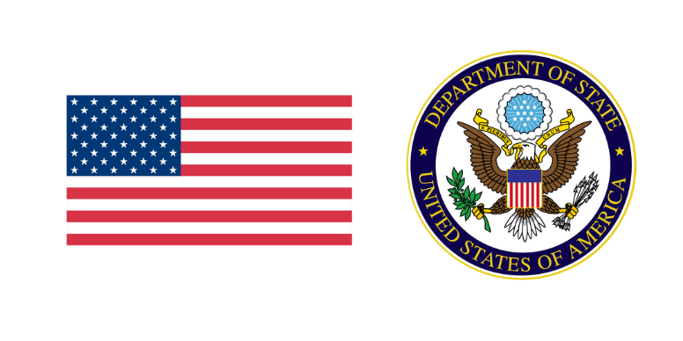 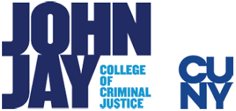 | WESTERN HEMISPHERE ANTICORRUPTION INDEX - 2021

 | The Western Hemisphere Anticorruption Index (WHACI) represents a new generation of anticorruption research that focuses on interactive, visually represented data that users can actively engage with. The two main components—the Convention Implementation Score (CIS) and Corruption Resilience Score (CRS)—provide an empirical analysis of major anticorruption Conventions and corruption resilience across countries in the Western Hemisphere to craft a comprehensive map of policy areas requiring reform. Based on primary and secondary sources, country profiles outline the complex nature of anticorruption efforts on national and regional scales, and piece together the comprehensive assessment to establish a new benchmark for understanding government resilience to corruption risks and the quality of anticorruption responses.

